Summary
The Master Calendar — Complete Historical Inventory
Complete searchable conversion of the preserved public Leather/Kink master calendar, with all 715 source records and New Mexico cross-references.

Calendar inventory | Value | Archive contents
Calendar begins | 2015-06-05 | Every VEVENT record in the public ICS export is retained. The workbook preserves event titles, dates, locations, full descriptions, Google UIDs, record creation and modification timestamps, and original source order. The New Mexico fields reproduce the focused extraction classifications.
Latest event date | 2023-11-03
Full source records | 715
New Mexico included records | 15
Direct New Mexico events | 11
NM participant elsewhere/online | 2 | Evidence cautions
Adjacent New Mexico events | 2 | Calendar inclusion establishes that an event was entered or announced, not necessarily that it occurred. Google all-day DTEND values are exclusive; the worksheet labels this explicitly. The export has no contributor identity field, so individual record authorship cannot be assigned. Descriptions preserve promotional claims and should be corroborated when used as biographical or organizational evidence.
Borderline NM references | 5

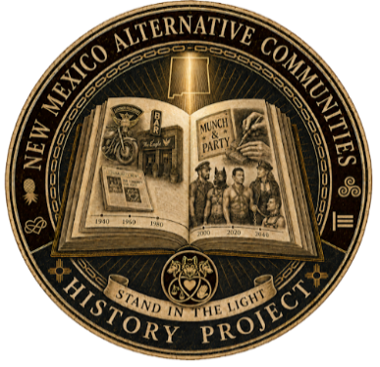

Year distribution
2015 | 72
2016 | 190
2017 | 113
2018 | 126
2019 | 124
2020 | 68
2021 | 11
2022 | 9
2023 | 2

