Summary
The Master Calendar — New Mexico Historical Extraction
New Mexico-relevant events extracted from the complete public Leather/Kink master calendar; borderline regional references are retained separately.

Calendar inventory | Value | Selection rule
Calendar begins | 2015-06-05 | Include events held in New Mexico and out-of-state/online events that explicitly name a New Mexico organization, presenter, titleholder, or participant. Adjacent New Mexico events are retained but labeled. Regional eligibility alone is not sufficient.
Latest event date | 2023-11-03
Full calendar records | 715
Included NM-relevant records | 15
Direct NM events | 11
NM participant elsewhere/online | 2 | Interpretive cautions
Adjacent NM events | 2 | Calendar inclusion proves that an event was listed, not necessarily that it occurred. Events labeled POSTPONED remain historically useful. The calendar contains records through 2023, although additions declined sharply after 2020. Some later descriptions appear to have been supplied through Albuquerque Leather & Kink event aggregation and may repeat source announcements.

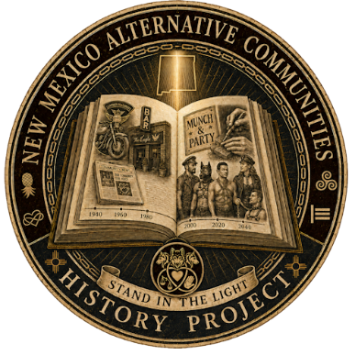
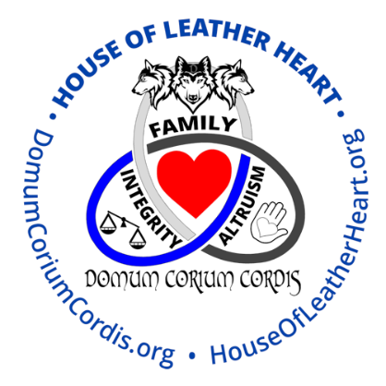
Year distribution of the complete calendar
2015 | 72
2016 | 190
2017 | 113
2018 | 126
2019 | 124
2020 | 68
2021 | 11
2022 | 9
2023 | 2

